Module 37
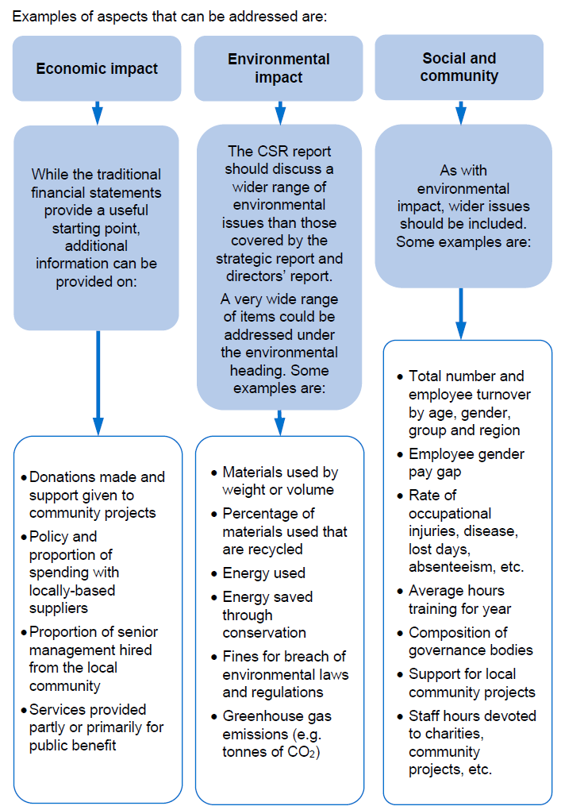
Main
 | Module 37 - Disclosure: Corporate Reporting

 | CA 2006

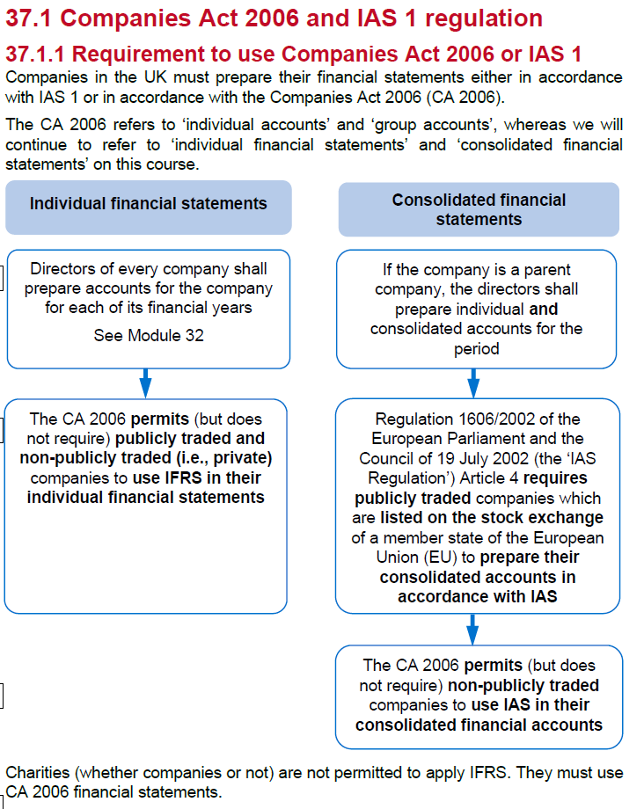

 | It is mandatory for Directors of all companies to prepare a strategic report
 | for each financial year of the company
 | This is in addition to the directors' report
 | which is also required under the CA 2006
 | Small and micro companies do not have to prepare a stategic report

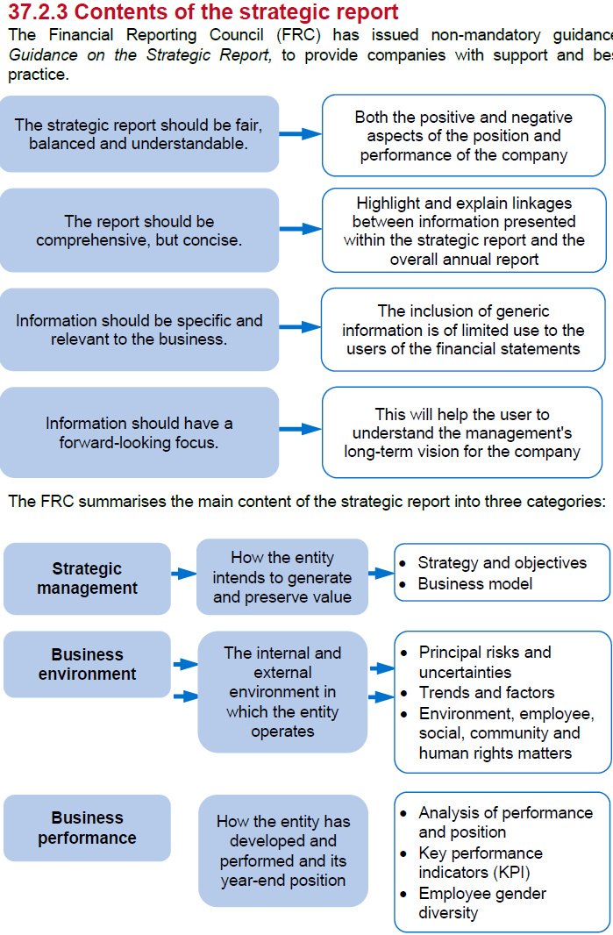

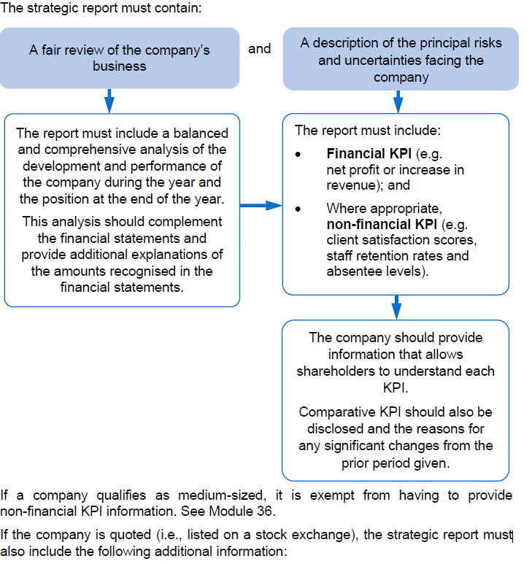

 | The International <IR> Framework can be found in the Financial Reporting Supplementary Materials.

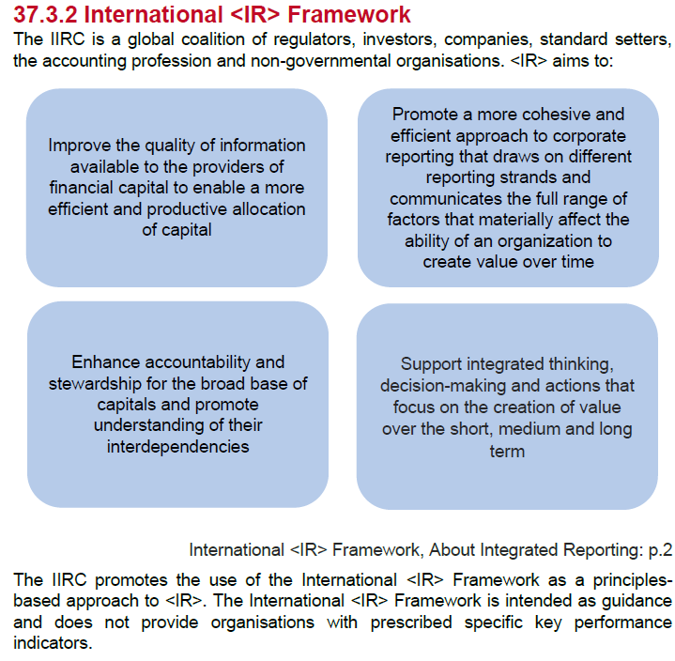

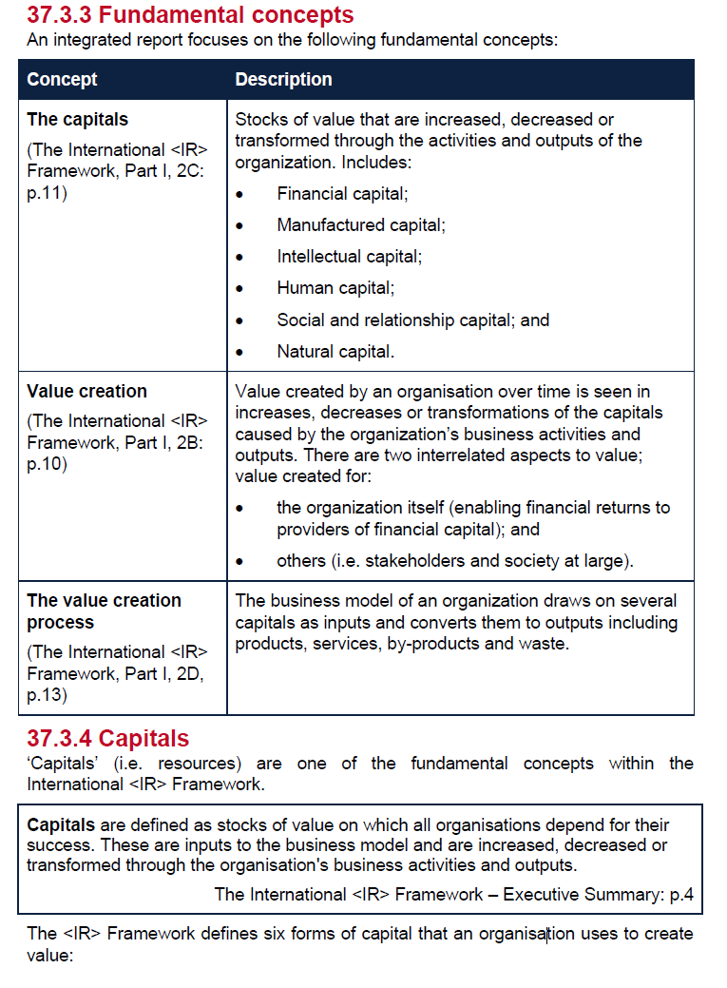

 | The capitals are all interlinked
 | consider the holistic
 | idea being, that to create value - more than the financial capital must be maintained

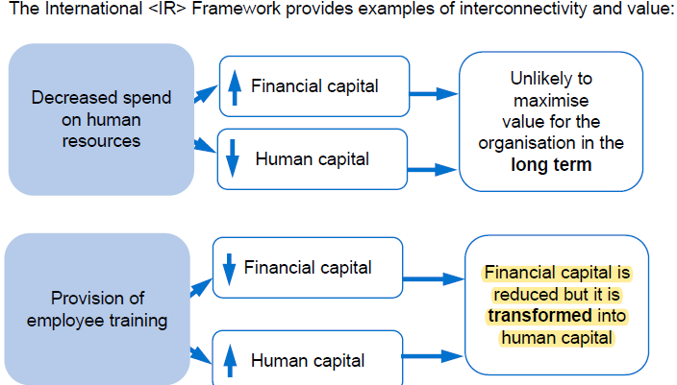

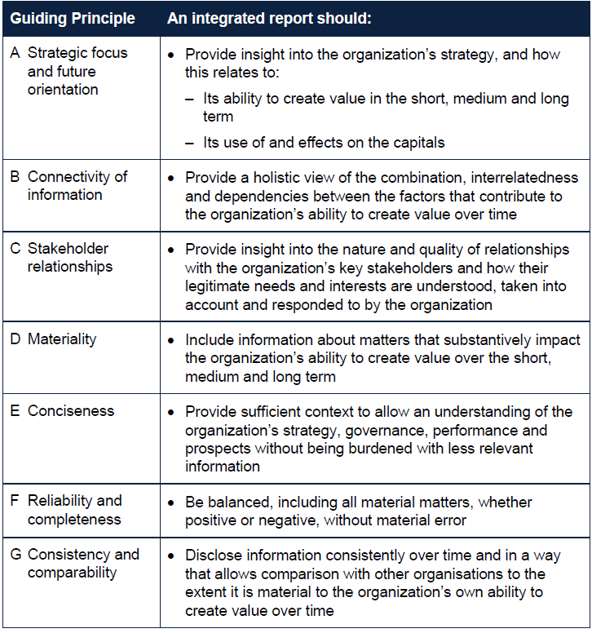

 |  | A
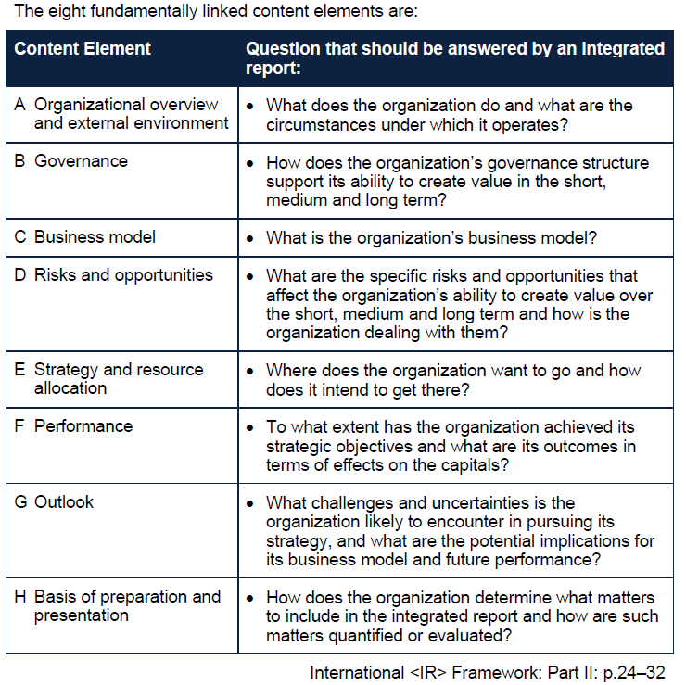

 | CSR reporting
 | Economic, social and encironmental

WSE37.1
Main

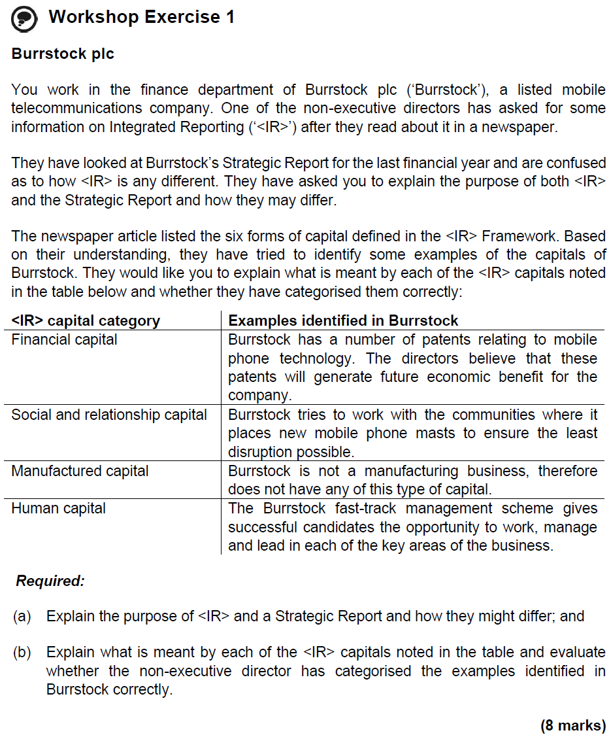

 | The primary purpose of Integrated Reporting (‘<IR>’) is to explain to the providers of financial capital how an organisation creates value over time.
 | The purpose of a Strategic Report is to inform shareholders of the company and help them assess how the directors have performed their duty to promote the success of the company.
 | Preparation of a Strategic Report is mandatory for UK companies but <IR> optional.
 | <IR> is more forward-looking than a Strategic Report which looks at both the historical financial statement period as well as looking at future operations – in general, <IR> emphasises the interlinking of all the capitals whereas the Strategic Report tends to report on such matters as ‘stand-alone’ items.

 | Financial capital
 | Financial capital is defined in the <IR> Framework as “the pool of funds available through the production of goods and obtained through financing”.
 | Patents are an intangible asset. They are recognised as an asset in financial reporting terms due to their ability to generate resources in the future.
 | However, in terms of the definition of the capitals, patents would be classified as intellectual capital rather than financial capital – intellectual capital is defined as knowledge-based intangible assets.

 | Social and relationship capital
 | Social and relationship capital is defined in the <IR> Framework as “the relationships with key stakeholders and the community, including brand and reputation”.
 | Working with communities shows a willingness to engage with key stakeholders. Therefore, this is an example of social and relationship capital.

 | Manufactured capital
 | Manufactured capital is not the same as manufactured assets. It is defined in the <IR> Framework as “physical objects created (or purchased) by the organisation for its use”.
 | Manufactured capital is not the same as manufactured assets. It is defined in the <IR> Framework as “physical objects created (or purchased) by the organisation for its use”.

 | Human capital
 | Human capital is defined as “people’s competencies, capabilities, experience and motivations to innovate” and so a management fast-track programme would be a good example of human capital.

